Acknowledgment
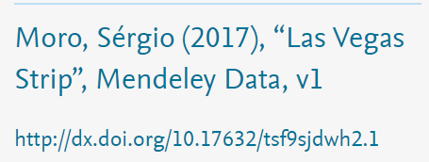

<<Modified for education purpose>>

